Sheet1
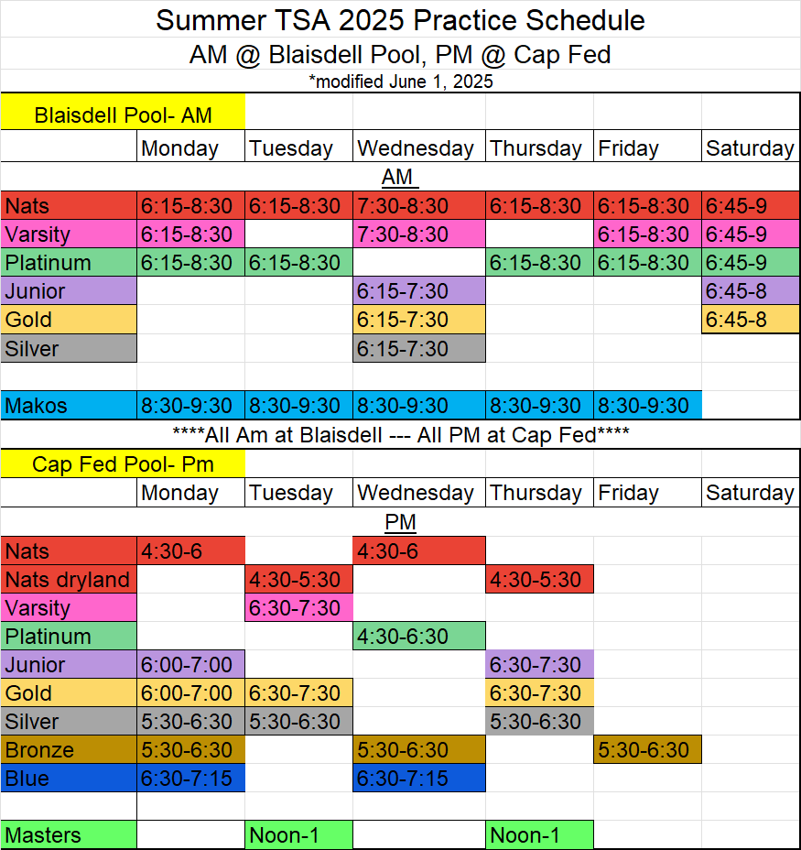
Summer TSA 2025 Practice Schedule
AM @ Blaisdell Pool, PM @ Cap Fed
*modified June 1, 2025
Blaisdell Pool- AM |  |  |  |  |  |  | Summer TSA 2025 Practice Schedule
 | Monday | Tuesday | Wednesday | Thursday | Friday | Saturday | AM @ Blaisdell Pool, PM @ Cap Fed
AM |  |  |  |  |  |  | *modified June 1, 2025
Nats | 6:15-8:30 | 6:15-8:30 | 7:30-8:30 | 6:15-8:30 | 6:15-8:30 | 6:45-9 | Blaisdell Pool- AM
Varsity | 6:15-8:30 |  | 7:30-8:30 |  | 6:15-8:30 | 6:45-9 |  | Monday | Tuesday | Wednesday | Thursday | Friday | Saturday
Platinum | 6:15-8:30 | 6:15-8:30 |  | 6:15-8:30 | 6:15-8:30 | 6:45-9 | AM
Junior |  |  | 6:15-7:30 |  |  | 6:45-8 | Nats | 6:15-8:30 | 6:15-8:30 | 7:30-8:30 | 6:15-8:30 | 6:15-8:30 | 6:45-8
Gold |  |  | 6:15-7:30 |  |  | 6:45-8 | Varsity | 6:15-8:30 |  | 7:30-8:30 |  | 6:15-8:30 | 6:45-8
Silver |  |  | 6:15-7:30 |  |  |  | Platinum | 6:15-8:30 | 6:15-8:30 |  | 6:15-8:30 | 6:15-8:30 | 6:45-8
 |  |  |  |  |  |  | Junior |  |  | 6:15-7:30 |  |  | 6:45-8
Makos | 8:30-9:30 | 8:30-9:30 | 8:30-9:30 | 8:30-9:30 | 8:30-9:30 |  | Gold |  |  | 6:15-7:30 |  |  | 6:45-8
****All Am at Blaisdell --- All PM at Cap Fed**** |  |  |  |  |  |  | Silver |  |  | 6:15-7:30
Cap Fed Pool- Pm
 | Monday | Tuesday | Wednesday | Thursday | Friday | Saturday | Makos | 8:30-9:30 | 8:30-9:30 | 8:30-9:30 | 8:30-9:30 | 8:30-9:30
PM |  |  |  |  |  |  | ****All Am at Blaisdell --- All PM at Cap Fed****
Nats | 4:30-6 |  | 4:30-6 |  |  |  | Cap Fed Pool- Pm
Nats dryland |  | 4:30-5:30 |  | 4:30-5:30 |  |  |  | Monday | Tuesday | Wednesday | Thursday | Friday | Saturday
Varsity |  | 6:30-7:30 |  |  |  |  | PM
Platinum |  |  | 4:30-6:30 |  |  |  | Nats | 4:30-6 |  | 4:30-6
Junior | 6:00-7:00 |  |  | 6:30-7:30 |  |  | Nats dryland |  | 4:30-5:30 |  | 4:30-5:30
Gold | 6:00-7:00 | 6:30-7:30 |  | 6:30-7:30 |  |  | Varsity |  | 6:30-7:30
Silver | 5:30-6:30 | 5:30-6:30 |  | 5:30-6:30 |  |  | Platinum |  |  | 4:30-6:30
Bronze | 5:30-6:30 |  | 5:30-6:30 |  | 5:30-6:30 |  | Junior | 6:00-7:00 |  |  | 6:30-7:30
Blue | 6:30-7:15 |  | 6:30-7:15 |  |  |  | Gold | 6:00-7:00 | 6:30-7:30 |  | 6:30-7:30
 |  |  |  |  |  |  | Silver | 5:30-6:30 | 5:30-6:30 |  | 5:30-6:30
Masters |  | Noon-1 |  | Noon-1 |  |  | Bronze | 5:30-6:30 |  | 5:30-6:30 |  | 5:30-6:30
 |  |  |  |  |  |  | Blue | 6:30-7:15 |  | 6:30-7:15

 |  |  |  |  |  |  | Masters |  | Noon-1 |  | Noon-1

